Commercial Estimator
Commercial Development Impact Tax Estimator

Note 1 - This is an estimator, and final calculations will be performed by DPS staff after final plan reviews.
Note 2 - Demolition Credit - Reduction or exemption of impact tax maybe applied toward rebuilding new commercial building on the same site. Reductions and exemption are based on square footage demolished and square footage of new construction. Construction of new building must begin within one year of demolition.
Note 3 - Impact taxes must be paid before a final inspection can be performed.
Click: Determine your color coded area |  | Policy Area Tutorial
Must Select Color
Red Areas
1
Orange Areas

Yellow Areas

Green Areas

TYPICAL USE GROUPS | COMMERCIAL BUILDING-RESIDENTIAL USES | Total Number of Units | Number of MPDU Units | School Tax | Transportation Tax | Total
R2 | MULTIFAMILY LOW RISE (PER UNIT) |  |  | $0.00 | $0.00 | $0.00
R2 | MULTIFAMILY HIGH RISE (PER UNIT) |  |  | $0.00 | $0.00 | $0.00
R2 - R4 | SENIOR RESIDENTIAL (PER UNIT) |  |  | $0.00 | $0.00 | $0.00

 | COMMERCIAL USES | Square Footage | Demolished Areas
B, A | OFFICE (PER SQ.FT. GFA) |  |  | $0.00 | $0.00 | $0.00
I | INDUSTRIAL (PER SQ.FT. GFA) |  |  | $0.00 | $0.00 | $0.00
F, S | BIOSCIENCE FACILITY (PER SQ.FT. GFA) |  |  | $0.00 | $0.00 | $0.00
M | RETAIL (PER SQ.FT. GFA) |  |  | $0.00 | $0.00 | $0.00
A | PLACE OF WORSHIP (PER SQ.FT. GFA) |  |  | $0.00 | $0.00 | $0.00
E | PRIVATE ELEMENTARY & SECONDARY SCHOOL (PER SQ.FT. GFA) |  |  | $0.00 | $0.00 | $0.00
I3 | HOSPITAL (PER SQ.FT. GFA) |  |  | $0.00 | $0.00 | $0.00
I | CHRITABLE PHILATROHROPIC INST ( PER SQ.FT. GFA) |  |  | $0.00 | $0.00 | $0.00
A, etc. | OTHER NON RESIDENTIAL (PER SQ.FT. GFA) |  |  | $0.00 | $0.00 | $0.00
s | STORAGE |  |  | $0.00 | $0.00 | $0.00
s | PARKING OR UTILITY ROOM |  |  | $0.00 | $0.00 | $0.00
 | SUM |  |  | $0.00 | $0.00 | $0.00

Policy Areas
Please use below instructions and links to determine your color coded policy area.
1- Click here to be directed to county council website - law section about color coded areas.
2- Link to website: | Determine your color coded | Enter your address then click the search to determine your color coded area.
3-(Image A) shows where to enter your address on actual website.

 |  | (Image A)
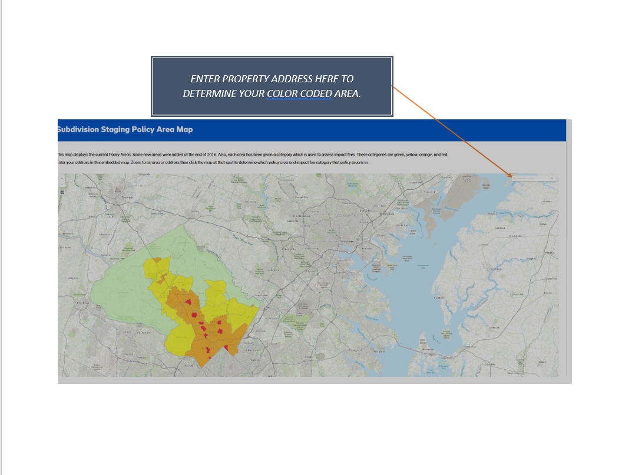

Impact Tax Use categories
 | Developmental Impact Taxes Overview
 | IMPACT TAX KNOWLEDGE BASE

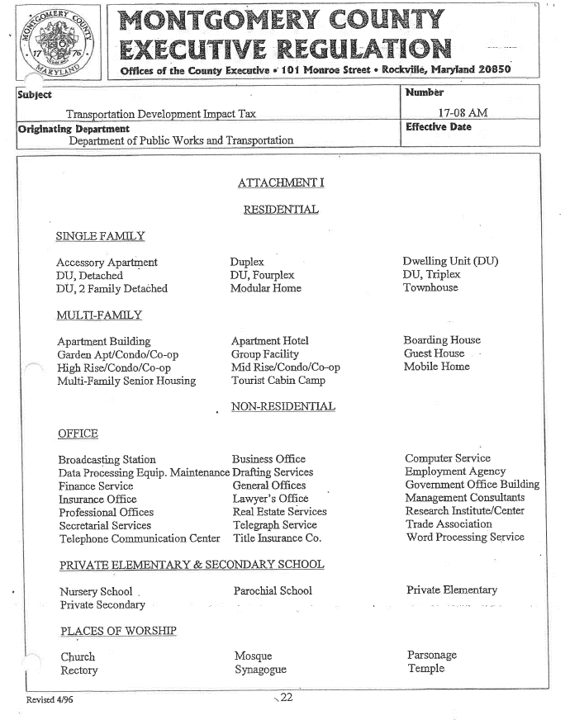

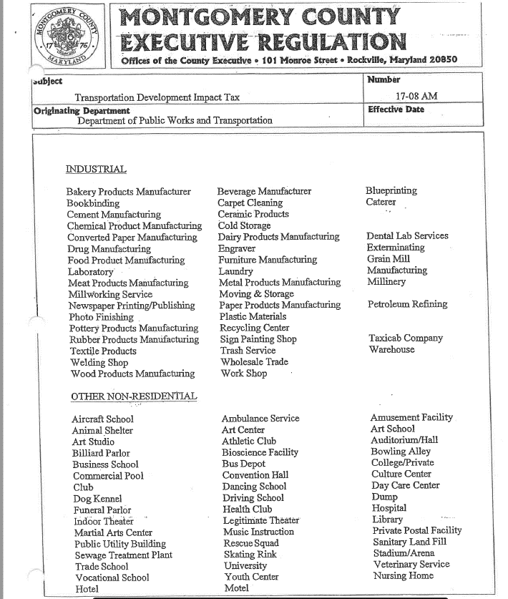

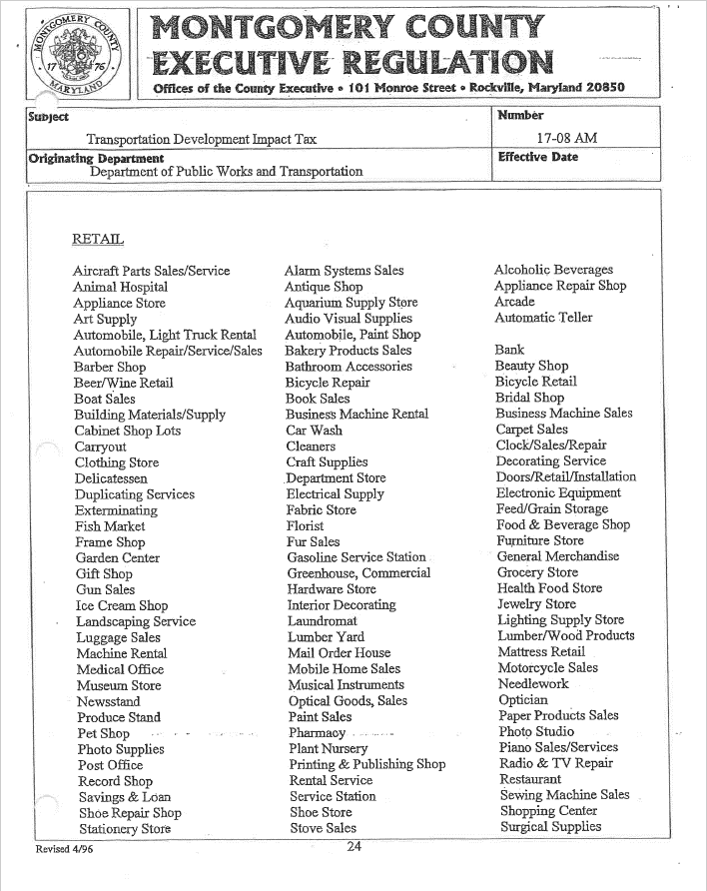

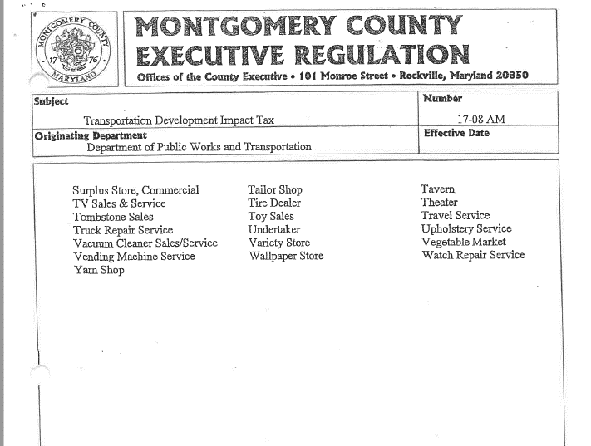

Developmental Impact Tax DPS Website |  | Fee Schedule: https://www.montgomerycountymd.gov/DPS/fees/Taxes.html
Fiscal Impact Tax Bill Sections 52-41 & 52-54 |  | https://www.montgomerycountymd.gov/council/Resources/Files/agenda/cm/2019/20190916/20190916_GOPHED2.pdf
2019 Impact Tax Fee Schedule |  | http://montgomerycountymd.gov/DPS/Resources/Files/Fees/Impact-Taxes-Handout.pdf
County Impact Tax Boundaries |  | https://www.montgomerycountymd.gov/council/resources/files/lims/bill/2018/Signed/pdf/5840_2554_Signed_05222018.pdf

