Residential Estimator
Residential Transportation and School Impact Tax Estimator
Note 1 - This is an estimator, and final calculations will be performed by DPS staff after final plan reviews.
Note 2 - Demolition Credit - Reduction or exemption of impact tax maybe applied toward rebuilding new commercial building on the same site. Reductions and exemption are based on square footage demolished and square footage of new construction. Construction of new building must begin within one year of demolition.
Note 3 - Impact taxes must be paid before a final inspection can be performed.

Red Areas
Click: Determine your color coded area |  |  | Policy Area Tutorial
Must Select Color
3
Orange Areas
Yellow Areas
Green Areas

 | ERSIDENTIAL USE | Enter Square Footage of the house | Amount of Surcharge | Total School Impact Tax | Total Transportation Impact Tax | Total Tax
 | SINGLE FAMILY DETACHED (PER UNIT) |  | $0 | $0.00 | $0.00 | $0.00
 | SINGLE FAMILY ATTACHED (PER UNIT) |  | $0 | $0.00 | $0.00 | $0.00

 | Sum |  |  | $0.00 | $0.00 | $0.00
 | ERSIDENTIAL USE | Total Number of Units | Number of MPDU Units | Number of Demolished Units | School Tax | Transportation Tax | Total Tax
 | STUDENT BUILT HOUSES (PER UNIT) |  |  |  | $0.00 | $0.00 | $0.00
 | CLERGY HOUSE (PER UNIT) |  |  |  | $0.00 | $0.00 | $0.00
 | SUM |  |  |  |  |  | $0.00

Policy Areas
Please use below instructions and links to determine your color coded policy area.
1- Click here to be directed to county council website - law section about color coded areas.
2- Link to website: | Determine your color coded | Enter your address then click the search to determine your color coded area.
3-(Image A) shows where to enter your address on actual website.

 |  | (Image A)
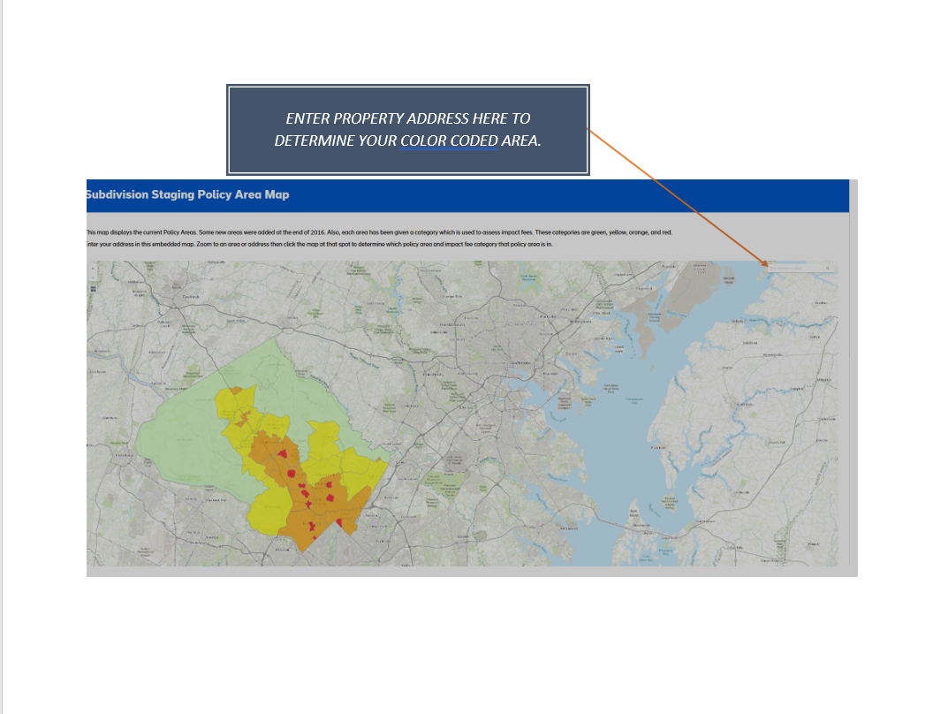

Impact Tax Use categories
 | Developmental Impact Taxes Overview
 | IMPACT TAX KNOWLEDGE BASE

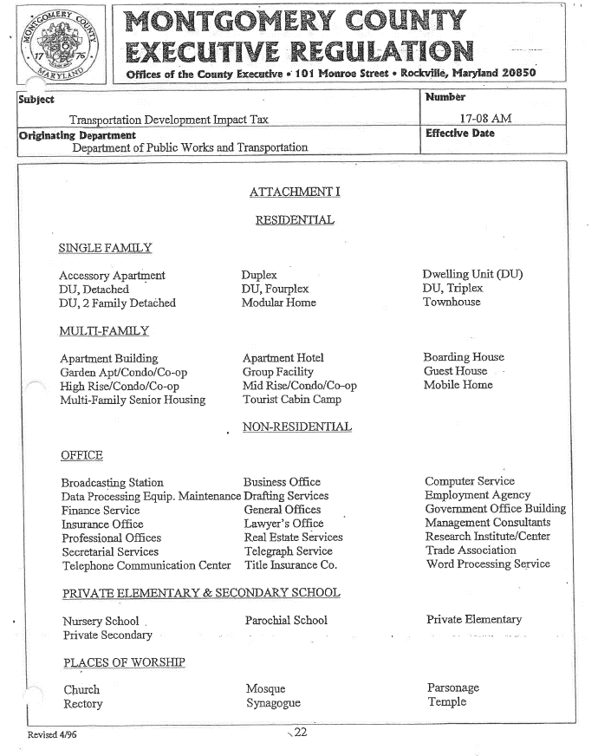

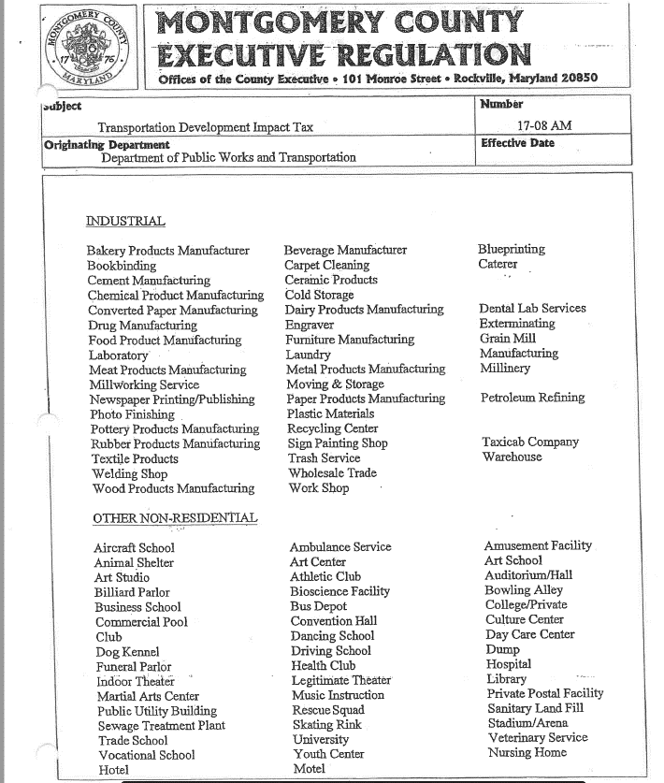

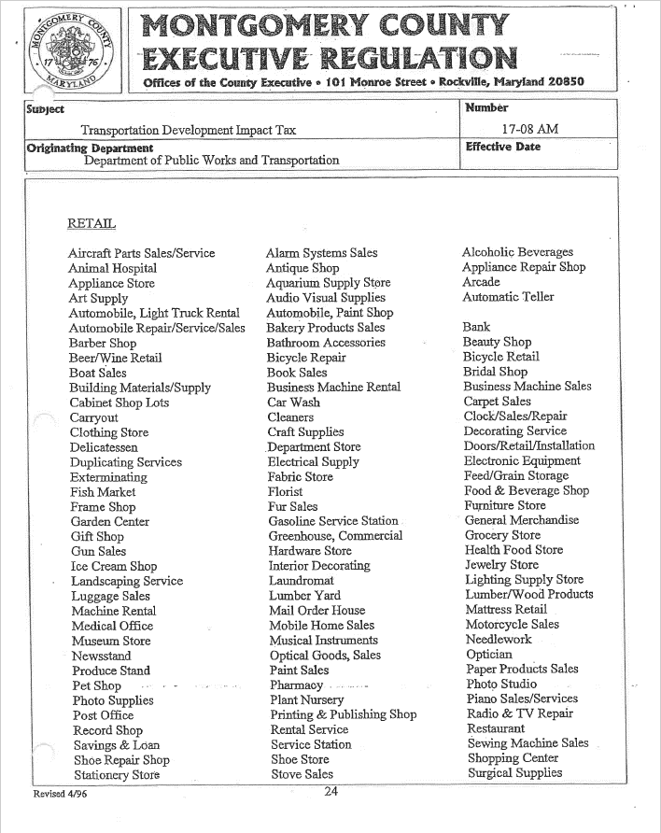

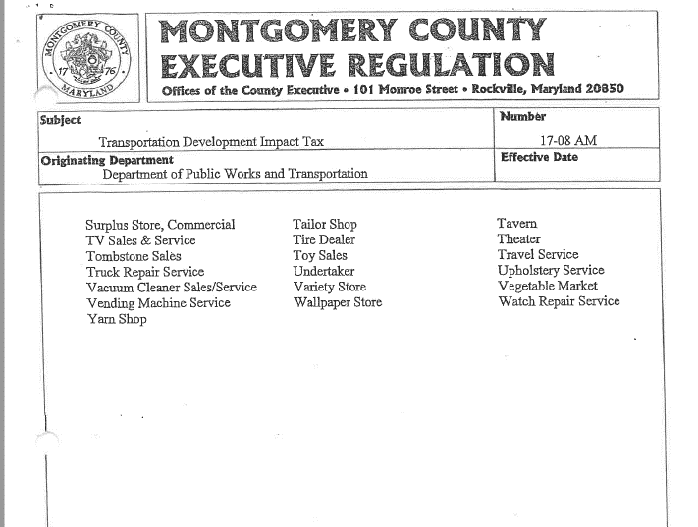

Developmental Impact Tax DPS Website |  | Fee Schedule: https://www.montgomerycountymd.gov/DPS/fees/Taxes.html
Fiscal Impact Tax Bill Sections 52-41 & 52-54 |  | https://www.montgomerycountymd.gov/council/Resources/Files/agenda/cm/2019/20190916/20190916_GOPHED2.pdf
2019 Impact Tax Fee Schedule |  | http://montgomerycountymd.gov/DPS/Resources/Files/Fees/Impact-Taxes-Handout.pdf
County Impact Tax Boundaries |  | https://www.montgomerycountymd.gov/council/resources/files/lims/bill/2018/Signed/pdf/5840_2554_Signed_05222018.pdf

